Summary and Chart
Statistics | Charts | Trades | Formula | Settings | Symbols | Monte Carlo |  |  |  | 1. Portfolio Equity

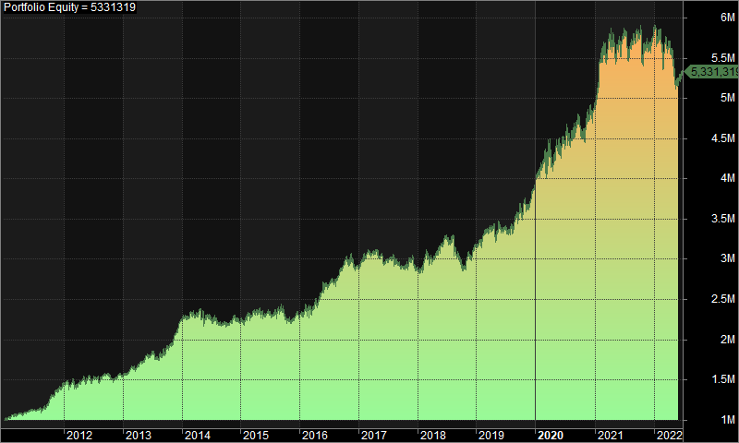
Statistics
 | All trades | Long trades | Short trades
Initial capital | 1000000 | 1000000 | 1000000
Ending capital | 5331319.21 | 1000000 | 5331319.21
Net Profit | 4331319.21 | 0 | 4331319.21
Net Profit % | 433.13% | 0.00% | 433.13%
Exposure % | 3.55% | 0.00% | 3.55%
Net Risk Adjusted Return % | 12195.07% | N/A | 12195.07%
Annual Return % | 15.67% | 0.00% | 15.67%
Risk Adjusted Return % | 441.23% | N/A | 441.23%
Total transaction costs | 2918247.77 | 0 | 2918247.77

All trades | 1648 | 0 (0.00 %) | 1648 (100.00 %)
Avg. Profit/Loss | 2628.23 | N/A | 2628.23
Avg. Profit/Loss % | 4.90% | N/A | 4.90%
Avg. Bars Held | 121.44 | N/A | 121.44

Winners | 749 (45.45 %) | 0 (0.00 %) | 749 (45.45 %)
Total Profit | 23546576.31 | 0 | 23546576.31
Avg. Profit | 31437.35 | N/A | 31437.35
Avg. Profit % | 40.95% | N/A | 40.95%
Avg. Bars Held | 191.3 | N/A | 191.3
Max. Consecutive | 9 | 0 | 9
Largest win | 288116.47 | 0 | 288116.47
# bars in largest win | 612 | 0 | 612 | 2. Underwater Equity

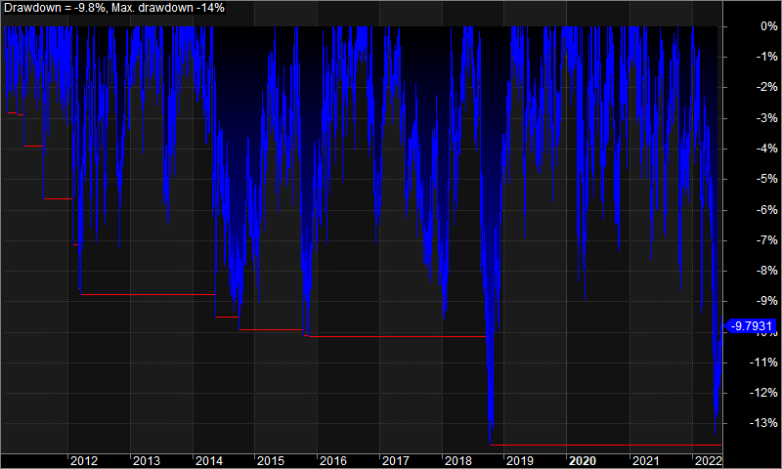
Losers | 899 (54.55 %) | 0 (0.00 %) | 899 (54.55 %)
Total Loss | -19215257.11 | 0 | -19215257.11
Avg. Loss | -21374.03 | N/A | -21374.03
Avg. Loss % | -25.12% | N/A | -25.12%
Avg. Bars Held | 63.24 | N/A | 63.24
Max. Consecutive | 10 | 0 | 10
Largest loss | -226058.05 | 0 | -226058.05
# bars in largest loss | 42 | 0 | 42

Max. trade drawdown | -314790.89 | 0 | -314790.89
Max. trade % drawdown | -99.6 | 0 | -99.6
Max. system drawdown | -788295.05 | 0 | -788295.05
Max. system % drawdown | -13.71% | 0.00% | -13.71%
Recovery Factor | 5.49 | N/A | 5.49
CAR/MaxDD | 1.14 | N/A | 1.14
RAR/MaxDD | 32.19 | N/A | 32.19
Profit Factor | 1.23 | N/A | 1.23
Payoff Ratio | 1.47 | N/A | 1.47
Standard Error | 406924.43 | 0 | 406924.43
Risk-Reward Ratio | 0.95 | N/A | 0.95
Ulcer Index | 4.08 | 0 | 4.08
Ulcer Performance Index | 2.51 | N/A | 2.51
Sharpe Ratio of trades | 1.43 | 0 | 1.43
K-Ratio | 0.01 | N/A | 0.01

 |  |  |  | 3. Profit Table

 |  |  |  | Year | Jan | Feb | Mar | Apr | May | Jun | Jul | Aug | Sep | Oct | Nov | Dec | Yr%
 |  |  |  | 2011 | 3.60% | 2.20% | 2.40% | -0.70% | 3.40% | 1.10% | 0.70% | 3.10% | 5.30% | 5.50% | 4.30% | 6.20% | 43.70%
 |  |  |  | 2012 | 1.00% | 3.70% | -4.70% | 4.60% | 1.20% | -0.50% | -0.90% | 3.70% | 0.60% | -4.80% | 3.30% | -0.30% | 6.50%
 |  |  |  | 2013 | 3.00% | 5.00% | 0.00% | 4.10% | 5.30% | 0.90% | -3.30% | 1.90% | 6.70% | 0.40% | 9.30% | 6.10% | 46.30%
 |  |  |  | 2014 | 1.60% | 1.90% | 0.30% | -0.80% | 0.00% | -2.40% | 1.00% | -3.70% | -1.00% | 2.30% | 3.80% | -3.70% | -1.10%
 |  |  |  | 2015 | 0.70% | 2.50% | 2.40% | 1.00% | -2.90% | 1.20% | 0.70% | -0.40% | -1.50% | -1.20% | -0.30% | 1.70% | 3.90%
 |  |  |  | 2016 | -0.10% | -0.50% | 5.70% | 0.80% | 11.50% | -1.30% | 2.40% | 1.50% | 4.00% | 2.50% | 1.00% | -3.30% | 26.20%
 |  |  |  | 2017 | 3.80% | 1.80% | 0.60% | 0.80% | -2.30% | -1.60% | 0.90% | -1.90% | -1.80% | 1.90% | 1.00% | -3.30% | -0.20%
 |  |  |  | 2018 | -1.40% | 8.10% | -1.30% | 1.30% | 3.30% | 2.80% | -0.70% | -6.90% | -3.10% | 1.20% | 1.40% | 5.80% | 10.10%
 |  |  |  | 2019 | 0.50% | 4.10% | 1.50% | -2.40% | 2.50% | -0.20% | -1.10% | 4.30% | 4.60% | 1.40% | -1.40% | 6.20% | 21.60%
 |  |  |  | 2020 | 4.80% | 4.70% | 2.60% | -3.90% | 3.00% | 4.10% | 0.90% | 1.30% | 1.90% | -4.40% | 6.00% | 2.80% | 25.80%
 |  |  |  | 2021 | 6.20% | 9.70% | 0.60% | 0.90% | -2.20% | 2.90% | -5.00% | 4.70% | 0.00% | -5.10% | 2.90% | 2.20% | 18.20%
 |  |  |  | 2022 | 0.60% | -5.40% | 2.90% | -2.30% | -5.70% | 2.60% | N/A | N/A | N/A | N/A | N/A | N/A | -7.50%
 |  |  |  | Avg | 2.00% | 3.20% | 1.10% | 0.30% | 1.40% | 0.80% | -0.40% | 0.70% | 1.40% | 0.00% | 2.80% | 1.90%

